P1
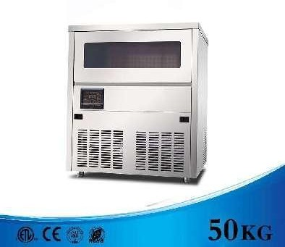
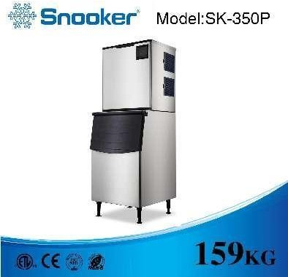

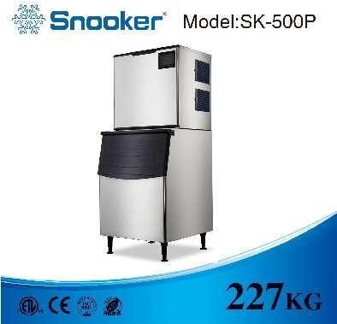
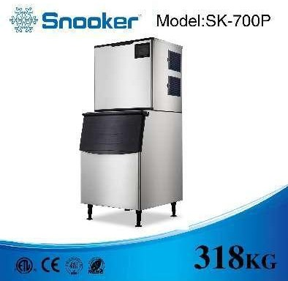
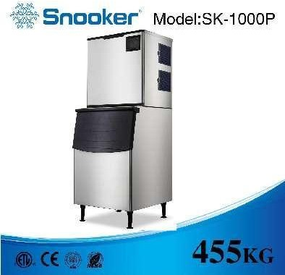
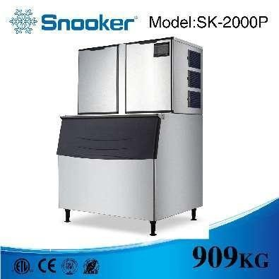
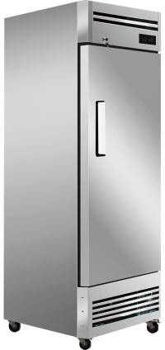
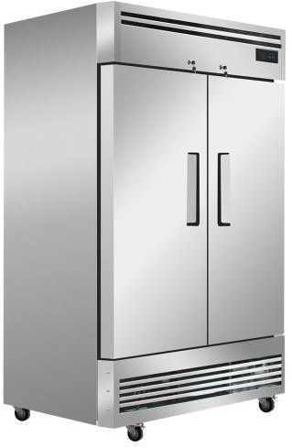
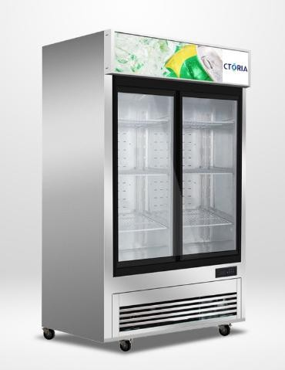
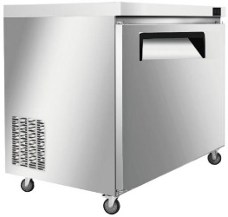
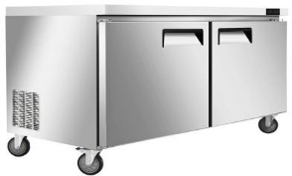
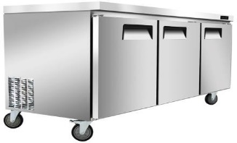
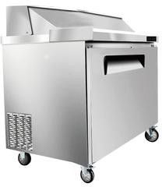
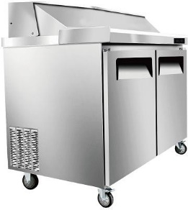
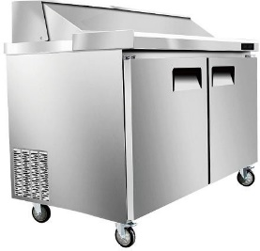
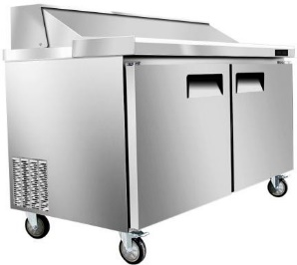
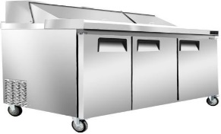
Add: No. 7-4, Jinjie Road, Humen Town, Dongguan, Guangdong, China Attn: Ing. Jorge Mendoza Email: proyectos@metalza.com.ec Tel: +593 988160576 |  |  |  |  | INVOICE INVOICE: 0001088
Quotation

Buyer: Attn: RUT: Add: Email: Tel:

ACTIVO | IMAGEN | ESPECIFICACIÓN | DETAILS | ICE SHAPE | CANTIDAD | PRECIO | TOTAL

Bullet Ice Machine (New Exclusive Model)
SK-25C (Hot Sale) | 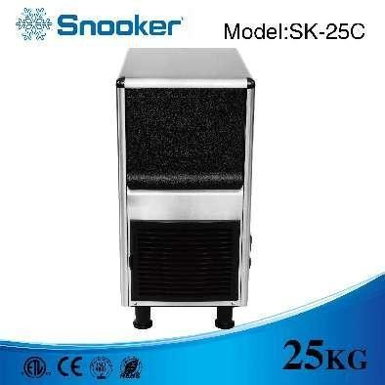 | Dimension(L*W*H)mm : Output(lb/24hr) Bin Capacity (lb) Voltage (V/Hz) Power (W) Condenser Unit Refrigerant Net Weight (kg) Gross Weight (kg) Carton Dimension(L*W*H)mm Loading Qty (20GP/40GP/40HQ) | 375*553*762 55lb= 25kg 33lb=15kg 220/50/60 110/60 330W Air R290 39 43 470*665*740 129 / 270/264pcs |  | 1 | $335.00 | $335.00
SK-35C (Hot Sale) | 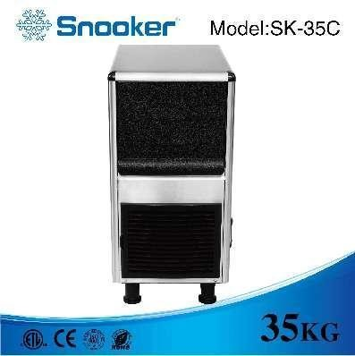 | Dimension(L*W*H)mm : Output(lb/24hr) Bin Capacity (lb) Voltage (V/Hz) Power (W) Condenser Unit Refrigerant Net Weight (kg) Gross Weight (kg) Carton Dimension(L*W*H)mm Loading Qty (20GP/40GP/40HQ) | 375*553*762 77 lb=35kg 33lb=15kg 220/50/60 110/60 350W Air R290 39 43 470*665*740 129 / 270 / 264pcs |  | 1 | $400.00 | $400.00
Cube Ice Machine ( Classic Vertical Model )
SK-80P | 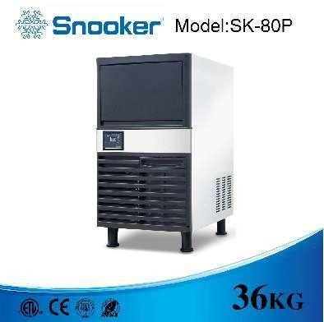 | Dimension(L*W*H)mm : Output(lb/24hr) Bin Capacity (lb) Voltage (V/Hz) Power (W) Condenser Unit Refrigerant Net Weight (kg) Gross Weight (kg) Carton Dimension(L*W*H)mm Loading Qty (20GP/40GP/40HQ) | 500*450*803 80 lb=36 kg 33lb=15kg 220/50/60 110/60 310W Air R290 36 40 580*530*835 88 / 217 / 264pcs | 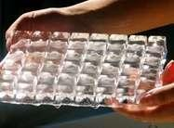 | 1 | $370.00 | $370.00
SK-80PT | 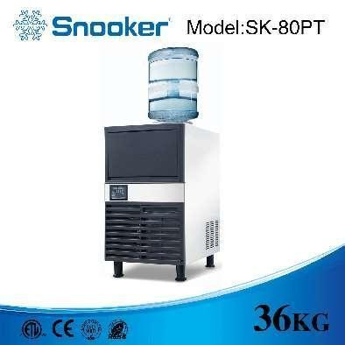 | Dimension(L*W*H)mm : Output(lb/24hr) Bin Capacity (lb) Voltage (V/Hz) Power (W) Condenser Unit Refrigerant Net Weight (kg) Gross Weight (kg) Carton Dimension(L*W*H)mm Loading Qty (20GP/40GP/40HQ) | 500*590*853 120 lb=55 kg 40lb=18kg 220/50/60 110/60 460W Air R290 45 50 580*670*835 64 /144 / 204pcs |  | 1 | $410.00 | $410.00
SK-120P (Hot Sale) | 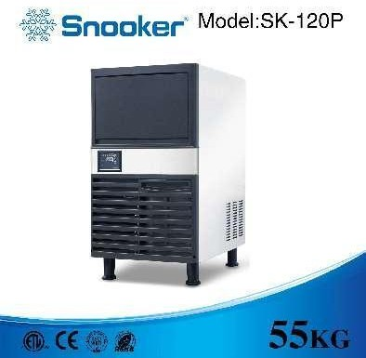 | Dimension(L*W*H)mm : Output(lb/24hr) Bin Capacity (lb) Voltage (V/Hz) Power (W) Condenser Unit Refrigerant Net Weight (kg) Gross Weight (kg) Carton Dimension(L*W*H)mm Loading Qty (20GP/40GP/40HQ) | 500*590*853 120 lb=55 kg 40lb=18kg 220/50/60 110/60 460W Air R290 45 50 580*670*835 64 /144 / 204pcs |  | 1 | $470.00 | $470.00
SK120PT (Hot Sale) | 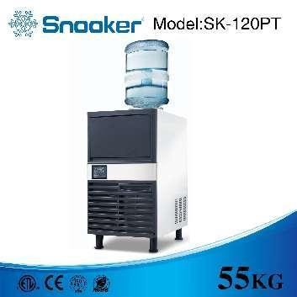 | Dimension(L*W*H)mm : Output(lb/24hr) Bin Capacity (lb) Voltage (V/Hz) Power (W) Condenser Unit Refrigerant Net Weight (kg) Gross Weight (kg) Carton Dimension(L*W*H)mm Loading Qty (20GP/40GP/40HQ) | 500*590*890 120 lb=55 kg 40lb=18kg 220/50/60 110/60 460W Air R290 45 50 580*670*835 64 / 144 / 204pcs |  | 1 | $510.00 | $510.00
SK-160P |  | Dimension(L*W*H)mm : Output(lb/24hr) Bin Capacity (lb) Voltage (V/Hz) Power (W) Condenser Unit Refrigerant Net Weight (kg) Gross Weight (kg) Carton Dimension(L*W*H)mm Loading Qty (20GP/40GP/40HQ) | 660.2*707*919 160 lb=73 kg 80lb=36kg 220/50/60 110/60 480W Air R290 55 65 780*745*900 42 / 96 /135pcs |  | 1 | $660.00 | $660.00
SK-210P (Hot Sale) | 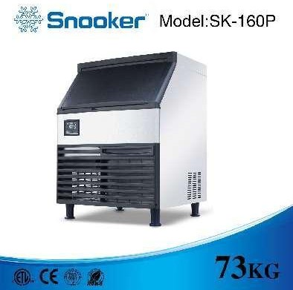 | Dimension(L*W*H)mm : Output(lb/24hr) Bin Capacity (lb) Voltage (V/Hz) Power (W) Condenser Unit Refrigerant Net Weight (kg) Gross Weight (kg) Carton Dimension(L*W*H)mm Loading Qty (20GP/40GP/40HQ) | 660.2*707*919 210 lb=95 kg 80lb=36kg 220/50/60 110/60 625W Air R290 58 66 780*745*900 42 / 96 /135pcs |  | 1 | $710.00 | $710.00
SK-280P (Hot Sale) | 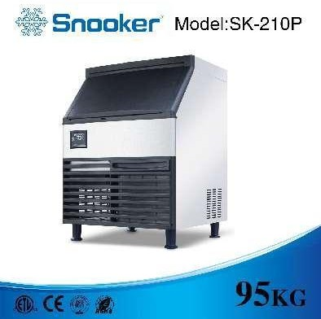 | Dimension(L*W*H)mm : Output(lb/24hr) Bin Capacity (lb) Voltage (V/Hz) Power (W) Condenser Unit Refrigerant Net Weight (kg) Gross Weight (kg) Carton Dimension(L*W*H)mm Loading Qty (20GP/40GP/40HQ) | 660.2*707*919 280 lb=127 kg 80lb=36kg 220/50/60 110/60 730W Air R290 60 67 780*745*900 42 / 96 /135pcs |  | 1 | $880.00 | $880.00
Under-counter Cube Ice Machine ( Model from SK-51B to SK-101B ) - for Bar and Kitchen Equipment
SK-51B |  | Dimension(L*W*H)mm : Output(lb/24hr) Bin Capacity (lb) Voltage (V/Hz) Power (W) Condenser Unit Refrigerant Net Weight (kg) Gross Weight (kg) Carton Dimension(L*W*H)mm Loading Qty (20GP/40GP/40HQ) | 780*745*900 42 / 96 /135pcs 666*637*775 110lb=50kg 66lb=30kg 220/50/60 110/60 465W Air R290 59 81 740*720*820 63/ 144pcs |  | 1 | $710.00 | $710.00
SK-81B (Hot Sale) | 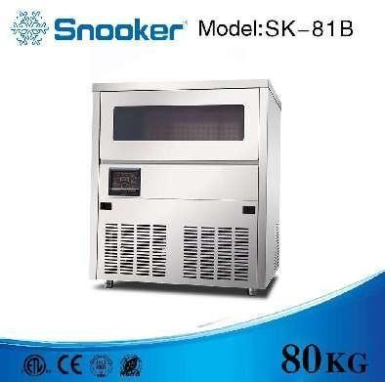 | Dimension(L*W*H)mm Output(lb/24hr) Bin Capacity (lb) Voltage (V/Hz) Power (W) Condenser Unit Refrigerant Net Weight (kg) Gross Weight (kg) Carton Dimension(L*W*H)mm Loading Qty (20GP/40HQ) | 666*637*775 176lb=80kg 66lb=30kg 220/50/60 110/60 610W Air R290 62 96 740*720*820 63 / 144pcs |  | 1 | $830.00 | $830.00
SK-101B (Hot Sale) | 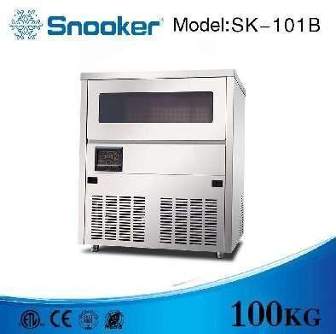 | Dimension(L*W*H)mm : Output(lb/24hr) Bin Capacity (lb) Voltage (V/Hz) Power (W) Condenser Unit Refrigerant Net Weight (kg) Gross Weight (kg) Carton Dimension(L*W*H)mm Loading Qty (20GP/40GP/40HQ) | 666*637*775 220lb=100kg 66lb=30kg 220/50/60 110/60 640W Air R290 62 98 740*720*820 63 / 144pcs |  | 1 | $950.00 | $950.00
Cube Ice Machine (New Modular Model)
MDXZ-25 |  | Dimension(L*W*H)mm Output(lb/24hr) Bin Capacity (lb) Voltage (V/Hz) Power (W) Condenser Unit Refrigerant Net Weight of Main Machine(kg) Net Weight of Ice Bin(kg) Gross Weight of Main Machine(kg) Gross Weight of Ice Bin(kg) Paking Dimension(L*W*H)mm of Main Machine Paking Dimension(L*W*H)mm of Ice bin Loading Qty (20GP/40GP/40HQ) | 560*832*1715 350 lb=159 kg 125kg 220/50/60 110/60 760W Air/Water R290 50 35 54 40 655*750*620 645*890*1055 26 / 52 / 72 pcs |  | 1 | $1,050.00 | $1,050.00
MDXZ-25D | 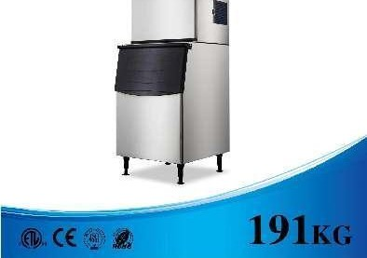 | Dimension(L*W*H)mm Output(lb/24hr) Bin Capacity (lb) Voltage (V/Hz) Power (W) Condenser Unit Refrigerant Net Weight of Main Machine(kg) Net Weight of Ice Bin(kg) Gross Weight of Main Machine(kg) Gross Weight of Ice Bin(kg) Paking Dimension(L*W*H)mm of Main Machine Paking Dimension(L*W*H)mm of Ice bin Loading Qty (20GP/40GP/40HQ) | 560*832*1715 420 lb=191 kg 125kg 220/50/60 110/60 790W Air/Water R290 52 35 56 40 655*750*620 645*890*1055 26 / 52 / 72 pcs |  | 1 | $1,120.00 | $1,120.00
PFG-600 |  | Dimension(L*W*H)mm Output(lb/24hr) Bin Capacity (lb) Voltage (V/Hz) Power (W) Condenser Unit Refrigerant Net Weight of Main Machine(kg) Net Weight of Ice Bin(kg) Gross Weight of Main Machine(kg) Gross Weight of Ice Bin(kg) Paking Dimension(L*W*H)mm of Main Machine Paking Dimension(L*W*H)mm of Ice bin Loading Qty (20GP/40GP/40HQ) | 760*832*1715 500 lb = 227 kg 175kg 220/50/60 110/60 1050 W Air/Water R290 66 45 70 50 845*750*620 850*890*1055 |  | 1 | $1,270.00 | $1,270.00
PFG-600L |  | Dimension(L*W*H)mm Output(lb/24hr) Bin Capacity (lb) Voltage (V/Hz) Power (W) Condenser Unit Refrigerant Net Weight of Main Machine(kg) Net Weight of Ice Bin(kg) Gross Weight of Main Machine(kg) Gross Weight of Ice Bin(kg) Paking Dimension(L*W*H)mm of Main Machine Paking Dimension(L*W*H)mm of Ice bin Loading Qty (20GP/40GP/40HQ) | 21 / 42 / 54 pcs 760**832*1715 700lb = 318kg 175kg 220/50/60 1680W Air/Water R404A 66 45 71 51 845*750*620 850*890*1055 21 / 42 / 54 pcs |  | 1 | $1,440.00 | $1,440.00
PFG-500 |  | Dimension(L*W*H)mm Output(lb/24hr) Bin Capacity (lb) Voltage (V/Hz) Power (W) Condenser Unit Refrigerant Net Weight of Main Machine(kg) Net Weight of Ice Bin(kg) Gross Weight of Main Machine(kg) Gross Weight of Ice Bin(kg) Paking Dimension(L*W*H)mm of Main Machine Paking Dimension(L*W*H)mm of Ice bin Loading Qty (20GP/40GP/40HQ) | 760*832*1890 1000 lb=455 kg 175kg 220/50/60 2400W Air/Water R404A 85 45 90 50 848x696x811 850*890*1055 16 / 36 / 51 pcs |  | 1 | $1,660.00 | $1,660.00
SK-1500P (Hot Sale) | 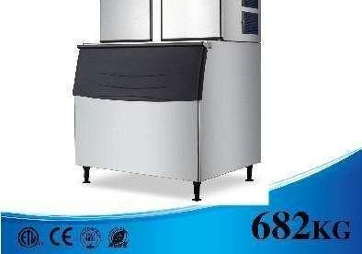 | Dimension(L*W*H)mm Output(lb/24hr) Bin Capacity (lb) Voltage (V/Hz) Power (W) Condenser Unit Refrigerant Net Weight of Main Machine(kg) Net Weight of Ice Bin(kg) Gross Weight of Main Machine(kg) Gross Weight of Ice Bin(kg) Paking Dimension(L*W*H)mm of Main Machine Paking Dimension(L*W*H)mm of Ice bin Loading Qty (20GP/40GP/40HQ) | 1227*965*1927 1500 lb =682kg 350kg 220/50/60 3400W Air/Water R404A 100 70 120 100 1360*750*725 1035*1305*1290 10 / 20/ 27 pcs |  | 1 | $2,540.00 | $2,540.00
SK-2000P (Hot Sale) |  | Dimension(L*W*H)mm Output(lb/24hr) Bin Capacity (lb) Voltage (V/Hz) Power (W) Condenser Unit Refrigerant Net Weight of Main Machine(kg) Net Weight of Ice Bin(kg) Gross Weight of Main Machine(kg) Gross Weight of Ice Bin(kg) Paking Dimension(L*W*H)mm of Main Machine Paking Dimension(L*W*H)mm of Ice bin Loading Qty (20GP/40GP/40HQ) | 1227*965*2057 2000 lb =909kg 350kg 380V/50/60 3P 4000W Air/Water R404A 150 70 170 100 1360*765*865 1035*1305*1290 10 / 20/ 27 pcs |  | 1 | $3,050.00 | $3,050.00
Single Door Ventilated Reach-in Chiller&Freezer
AKR-06881 (Chiller) |  | Dimension(W*D*H) inch Dimension(W*D*H) mm Door type Door number Effective Volume(cu.ft/ litre) Shelves NO. Lock Interior Light Castors Voltage (V/Hz) Power (W) Cooling system Material Refrigeration temperature range Ambient Temperature Refrigerant Loading Qty(20GP/40HQ) | "27* 32.09* 81.30in 686*815*2065mm" Solid door 1 17.2cu.ft / 487L 3 yes LED 4 wheels, 2 with brake 115V/60HZ 410W(R290) Fan cooling(ventilated) SUS304/SUS201 33~40℉/ 0.5~4 ℃ 38℃ / 60%RH R290 18 / 39 PCS |  | 1 | $485.00 | $485.00
AKF-06881 (Freezer) |  | Dimension(W*D*H) inch Dimension(W*D*H) mm Door type Door number Effective Volume(cu.ft/ litre) Shelves NO. Lock Interior Light Castors Voltage (V/Hz) Power (W) Cooling system Material Refrigeration temperature range Ambient Temperature Refrigerant Loading Qty(20GP/40HQ) | "27* 32.09* 81.30in 686*815*2065mm" Solid door 1 17.2cu.ft / 487L 3 yes LED 4 wheels, 2 with brake 115V/60HZ 630W(R290) Fan cooling(ventilated) SUS304/SUS201 -8~0℉/ -22~-18 ℃ 38℃ / 60%RH R290 18 / 39 PCS |  | 1 | $564.00 | $564.00
2 Doors Ventilated Reach-in Chiller&Freezer
AKR-13781 (Chiller) |  | Dimension(W*D*H) inch Dimension(W*D*H) mm Door type Door number Effective Volume(cu.ft/ litre) Shelves NO. Lock Interior Light Castors Voltage (V/Hz) Power (W) Cooling system Material Refrigeration temperature range Ambient Temperature Refrigerant Loading Qty(20GP/40HQ) | "54* 32.09*81.30in 1370*815*2065mm" Solid door 2 41.9cu.ft / 1186L 6 yes LED 4 wheels, 2 with brake 115V/60HZ 410W(R290) Fan cooling(ventilated) SUS304/SUS201 33~40℉/ 0.5~4 ℃ 38℃ / 60%RH R290 10 / 21 PCS |  | 1 | $698.00 | $698.00
AKF-13781 (Freezer) |  | Dimension(W*D*H) inch Dimension(W*D*H) mm Door type Door number Effective Volume(cu.ft/ litre) Shelves NO. Lock Interior Light Castors Voltage (V/Hz) Power (W) Cooling system Material Refrigeration temperature range Ambient Temperature Refrigerant Loading Qty(20GP/40HQ) | "54* 32.09*81.30in 1370*815*2065mm" Solid door 2 41.9cu.ft / 1186L 6 yes LED 4 wheels, 2 with brake 115V/60HZ 630W(R290) Fan cooling(ventilated) SUS304/SUS201 -8~0℉/ -22~-18 ℃ 38℃ / 60%RH R290 10 / 21 PCS |  | 1 | $788.00 | $788.00
AKRG-13781 (Chiller) |  | Dimension(W*D*H) inch Dimension(W*D*H) mm Door type Door number Effective Volume(cu.ft/ litre) Shelves NO. Lock Interior Light Castors Voltage (V/Hz) Power (W) Cooling system Material Refrigeration temperature range Ambient Temperature Refrigerant Loading Qty(20GP/40HQ) | "54* 32.09*81.30in 1370*815*2065mm" Glass door 2 41.9cu.ft / 1186L 6 yes LED 4 wheels, 2 with brake 115V/60HZ 410W(R290) Fan cooling(ventilated) SUS304/SUS201 33~40℉/ 0.5~4 ℃ 38℃ / 60%RH R290 10 / 21 PCS |  | 1 | $730.00 | $730.00
Under-counter Chiller&Freezer (Length 27.6/ 36.4/ 48.4/ 60.4/ 72.4 inch)
AUR-0776 (Chiller) |  | Dimension(W*D*H) inch Dimension(W*D*H) mm Door type Door number Effective Volume(cu.ft/ litre) Shelves NO. Lock Interior Light Castors Voltage (V/Hz) Power (W) Cooling system Material Refrigeration temperature range Ambient Temperature Refrigerant Loading Qty(20GP/40HQ) | "27.6* 30.1* 35.8in 702*765*910mm" Solid door 1 7.2cu.ft / 204L 115V/60HZ 1 NO 4 wheels, 2 with brake 510W （R290) Fan cooling(ventilated) SUS304/SUS201 33~40℉/ 0.5~4 ℃ Dixell 38℃ / 60%RH R290 40 / 84 PCS |  | 1 | $314.00 | $314.00
AUF-0776 (Freezer) |  | Dimension(W*D*H) inch Dimension(W*D*H) mm Door type Door number Effective Volume(cu.ft/ litre) Shelves NO. Lock Interior Light Castors Voltage (V/Hz) Power (W) Cooling system Material Refrigeration temperature range Ambient Temperature Refrigerant Loading Qty(20GP/40HQ) | "27.6* 30.1* 35.8in 702*765*910mm" Solid door 1 7.2cu.ft / 204L 115V/60HZ 1 NO 4 wheels, 2 with brake 780W （R290) Fan cooling(ventilated) SUS304/SUS201 -8~0℉/ -22~-18 ℃ Dixell 38℃ / 60%RH R290 40 / 84 PCS |  | 1 | $383.00 | $383.00
AUR-0976 (Chiller) |  | Dimension(W*D*H) inch Dimension(W*D*H) mm Door type Door number Effective Volume(cu.ft/ litre) Shelves NO. Lock Interior Light Castors Voltage (V/Hz) Power (W) Cooling system Material Refrigeration temperature range Ambient Temperature Refrigerant Loading Qty(20GP/40HQ) | "36.4* 30.1* 35.8in 924*765*910mm" Solid door 2 9.68cu.ft / 274L 115V/60HZ 2 NO 4 wheels, 2 with brake 510W （R290) Fan cooling(ventilated) SUS304/SUS201 33~40℉/ 0.5~4 ℃ Dixell 38℃ / 60%RH R290 28 / 56 PCS |  | 1 | $369.00 | $369.00
AUF-0976 (Freezer) |  | Dimension(W*D*H) inch Dimension(W*D*H) mm Door type Door number Effective Volume(cu.ft/ litre) Shelves NO. Lock Interior Light Castors Voltage (V/Hz) Power (W) Cooling system Material Refrigeration temperature range Ambient Temperature Refrigerant Loading Qty(20GP/40HQ) | "36.4* 30.1* 35.8in 924*765*910mm" Solid door 2 9.68cu.ft / 274L 115V/60HZ 2 NO 4 wheels, 2 with brake 780W(R290) Fan cooling(ventilated) SUS304/SUS201 -8~0℉/ -22~-18 ℃ Dixell 38℃ / 60%RH R290 28 / 56 PCS |  | 1 | $432.00 | $432.00
AUR-12376 (Chiller) |  | Dimension(W*D*H) inch Dimension(W*D*H) mm Door type Door number Effective Volume(cu.ft/ litre) Shelves NO. Lock Interior Light Castors Voltage (V/Hz) Power (W) Cooling system Material Refrigeration temperature range Ambient Temperature Refrigerant Loading Qty(20GP/40HQ) | "48.4* 30.1* 35.8in 1230*765*910mm" Solid door 2 12.96cu.ft / 367L 115V/60HZ 2 yes 4 wheels, 2 with brake 510W （R290) Fan cooling(ventilated) SUS304/SUS201 33~40℉/ 0.5~4 ℃ Dixell 38℃ / 60%RH R290 22 / 46 PCS |  | 1 | $413.00 | $413.00
AUF-12376 (Freezer) |  | Dimension(W*D*H) inch Dimension(W*D*H) mm Door type Door number Effective Volume(cu.ft/ litre) Shelves NO. Lock Interior Light Castors Voltage (V/Hz) Power (W) Cooling system Material Refrigeration temperature range Ambient Temperature Refrigerant Loading Qty(20GP/40HQ) | "48.4* * 30.1* 35.8in 1230*765*910mm" Solid door 2 12.96cu.ft / 367L 115V/60HZ 2 yes 4 wheels, 2 with brake 780W(R290) Fan cooling(ventilated) SUS304/SUS201 -8~0℉/ -22~-18 ℃ Dixell 38℃ / 60%RH R290 22 / 46 PCS |  | 1 | $511.00 | $511.00
AUR-15376 (Chiller) |  | Dimension(W*D*H) inch Dimension(W*D*H) mm Door type Door number Effective Volume(cu.ft/ litre) Shelves NO. Lock Interior Light Castors Voltage (V/Hz) Power (W) Cooling system Material Refrigeration temperature range Ambient Temperature Refrigerant Loading Qty(20GP/40HQ) | "60.4* 30.1* 35.8in 1535*765*910mm" Solid door 2 16.6cu.ft / 470L 115V/60HZ 510W （R290) 2 yes 4 wheels, 2 with brake Fan cooling(ventilated) SUS304/SUS201 33~40℉/ 0.5~4 ℃ Dixell 38℃ / 60%RH R290 14 / 28 PCS |  | 1 | $550.00 | $550.00
AUF-15376 (Freezer) |  | Dimension(W*D*H) inch Dimension(W*D*H) mm Door type Door number Effective Volume(cu.ft/ litre) Shelves NO. Lock Interior Light Castors Voltage (V/Hz) Power (W) Cooling system Material Refrigeration temperature range Ambient Temperature Refrigerant Loading Qty(20GP/40HQ) | "60.4* 30.1* 35.8in 1535*765*910mm" Solid door 2 16.6cu.ft / 470L 115V/60HZ 2 yes 4 wheels, 2 with brake 780W(R290) Fan cooling(ventilated) SUS304/SUS201 -8~0℉/ -22~-18 ℃ Dixell 38℃ / 60%RH R290 14 / 28 PCS |  | 1 | $637.00 | $637.00
AUR-18476 (Chiller) |  | Dimension(W*D*H) inch Dimension(W*D*H) mm Door type Door number Effective Volume(cu.ft/ litre) Shelves NO. Lock Interior Light Castors Voltage (V/Hz) Power (W) Cooling system Material Refrigeration temperature range Ambient Temperature Refrigerant Loading Qty(20GP/40HQ) | "72.4* 30.1* 35.8in 1840*765*910mm" Solid door 3 20.27cu.ft / 574L 115V/60HZ 3 NO 4 wheels, 2 with brake 510W （R290) Fan cooling(ventilated) SUS304/SUS201 33~40℉/ 0.5~4 ℃ Dixell 38℃ / 60%RH R290 14 / 28 PCS |  | 1 | $654.00 | $654.00
AUF-18476 (Freezer) |  | Dimension(W*D*H) inch Dimension(W*D*H) mm Door type Door number Effective Volume(cu.ft/ litre) Shelves NO. Lock Interior Light Castors Voltage (V/Hz) Power (W) Cooling system Material Refrigeration temperature range Ambient Temperature Refrigerant Loading Qty(20GP/40HQ) | "72.4*30.1* 35.8in 1840*765*910mm" Solid door 3 20.27cu.ft / 574L 115V/60HZ 3 NO 4 wheels, 2 with brake 780W(R290) Fan cooling(ventilated) SUS304/SUS201 -8~0℉/ -22~-18 ℃ Dixell 38℃ / 60%RH R290 14 / 28 PCS |  | 1 | $679.00 | $679.00
Standard Sandwich Prep Tables Chillers(Length 27.6/ 36.4/ 48.4/ 60.4/ 72.4 inch)
ASR-0776 (Include GN pans) |  | Dimension(W*D*H) inch Dimension(W*D*H) mm Door type Door number Effective Volume(cu.ft/ litre) Shelves NO. Lock Interior Light Castors Voltage (V/Hz) Power (W) Cooling system Material Refrigeration temperature range Ambient Temperature Refrigerant Loading Qty(20GP/40HQ) | "27.6* 30.1* 43.3in 702*765*1100mm" Solid door 1 7.2cu.ft / 204L 115V/60HZ 510W （R290) 1 NO 4 wheels, 2 with brake 1/6 (6pcs)+1/9 (2pcs) Fan cooling(ventilated) SUS304/SUS201 33~40℉/ 0.5~4 ℃ Dixell 38℃ / 60%RH R290 36 / 78PCS |  | 1 | $405.00 | $405.00
ASR-0976 (Include GN pans) |  | Dimension(W*D*H) inch Dimension(W*D*H) mm Door type Door number Effective Volume(cu.ft/ litre) Shelves NO. Lock Interior Light Castors Voltage (V/Hz) Power (W) Cooling system Material Refrigeration temperature range Ambient Temperature Refrigerant Loading Qty(20GP/40HQ) | "36.4* 30.1* 43.3in 924*765*1100mm" Solid door 2 9.68cu.ft / 274L 115V/60HZ 2 NO 4 wheels, 2 with brake 510W （R290) 1/6 (10pcs) Fan cooling(ventilated) SUS304/SUS201 33~40℉/ 0.5~4 ℃ Dixell 38℃ / 60%RH R290 24 / 52PCS |  | 1 | $500.00 | $500.00
ASR-12376 (Include GN pans) |  | Dimension(W*D*H) inch Dimension(W*D*H) mm Door type Door number Effective Volume(cu.ft/ litre) Shelves NO. Lock Interior Light Castors Voltage (V/Hz) Power (W) Cooling system Material Refrigeration temperature range Ambient Temperature Refrigerant Loading Qty(20GP/40HQ) | "48.4* 30.1* 43.8in 1230*765*1113mm" Solid door 2 12.96cu.ft / 367L 115V/60HZ 2 NO 4 wheels, 2 with brake 510W （R290) 1/6 (12pcs) Fan cooling(ventilated) SUS304/SUS201 33~40℉/ 0.5~4 ℃ Dixell 38℃ / 60%RH R290 20 / 44PCS |  | 1 | $551.00 | $551.00
ASR-15376 (Include GN pans) |  | Dimension(W*D*H) inch Dimension(W*D*H) mm Door type Door number Effective Volume(cu.ft/ litre) Shelves NO. Lock Interior Light Castors Voltage (V/Hz) Power (W) Cooling system Material Refrigeration temperature range Ambient Temperature Refrigerant Loading Qty(20GP/40HQ) | "60.4* 30.1* 43.3in 1535*765*1100mm" Solid door 2 16.6cu.ft / 470L 115V/60HZ 2 NO 4 wheels, 2 with brake 510W （R290) 1/6 (16pcs) Fan cooling(ventilated) SUS304/SUS201 33~40℉/ 0.5~4 ℃ Dixell 38℃ / 60%RH R290 14 / 28PCS |  | 1 | $615.00 | $615.00
ASR-18476 (Include GN pans) |  | Dimension(W*D*H) inch Dimension(W*D*H) mm Door type Door number Effective Volume(cu.ft/ litre) Shelves NO. Lock Interior Light Castors Voltage (V/Hz) Power (W) Cooling system Material Refrigeration temperature range Ambient Temperature Refrigerant Loading Qty(20GP/40HQ) | "72.4* 30.1* 43.3in 1840*765*1100mm" Solid door 3 20.27cu.ft / 574L 115V/60HZ 3 NO 4 wheels, 2 with brake 510W （R290) 1/6 (18pcs) Fan cooling(ventilated) SUS304/SUS201 33~40℉/ 0.5~4 ℃ Dixell 38℃ / 60%RH R290 12 / 26PCS |  | 1 | $714.00 | $714.00
 |  |  |  |  |  | $30,357.00 | $30,357.00

TERMS & CONDITIONS
Order Term: CIF DDP
Payment term: 65% deposit-for advance payment 35% against shipping documents All balance before delivery
Delivery time: 20 to 25 days once the advance payment is made
Warranty: 1. 1 year 2. Customer shall provide feedback with photos/videos on the goods within 48 hours after receivd. After-sales service will be invalid if the feedback is overdue. 3. Customer shall read factory instruction book before operating the equipment. 4. After-sales checking must be done by professional technician. 5. Spare parts will be paid by customer as below: 1). Parts not covered by warranty 2). Transportation caused damage. 3). Mis-handling caused damage. 4). Non-technician caused damage by repairing or maintenance without instruction. 5). Techinician caused damage by not following factory instruction.
Packing: All items would be well packed in carton box, some machine in wooden packaging, all additional and special printing, labeling, bar codes etc. request will be subject to additional charges.

SWIFT/BIC Code：DHBKHKHH (DHBKHKHHXXX * If 11 characters are required) Account Number：79969000439598 Account Name：Dongguan Ximaisi Electric Appliance Co., Ltd. * If the account name is too long, you can continue filling it into the address field. Bank Name：DBS Bank (Hong Kong) Limited Bank Address：11th Floor, The Center, 99 Queen's Road Central, Central, Hong Kong Country/Region：Hong Kong Type of Account：Business Account Bank Code：016 Branch Code：478

